BACKPACK
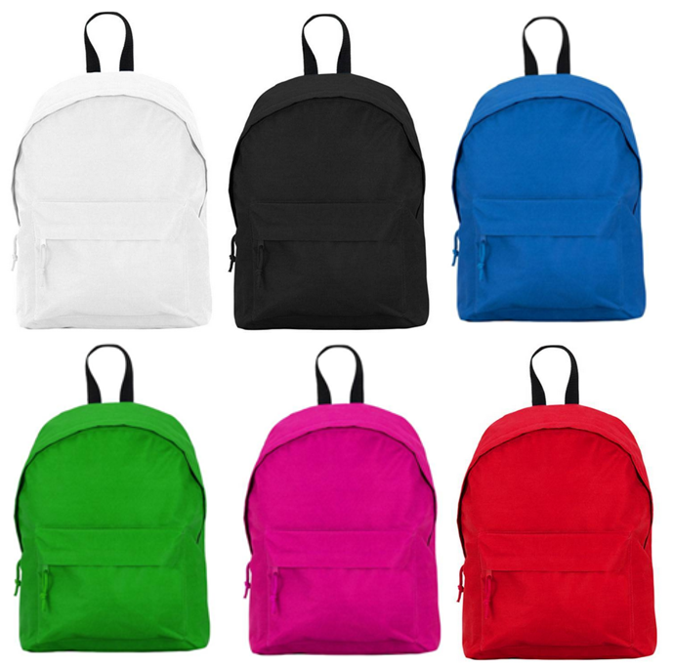
COLORS | DESCRIPTION | SIZE | COMPO | FABRIC | BOXES | Liters | QTY
WHITE | Backpack With adjustable straps. 1.- Upper handle for hanging. 2.- Front zip pocket. 3.- Side pockets in microperforated fabric. | 38x28x12 cm | 100% Polyester 600D 330 Gr. | 600D 330 gr | 50 Units | 13,5 L | 13,296
BLACK |  |  |  |  |  |  | 17,339
BLUE ROYAL |  |  |  |  |  |  | 14,996
GREEN |  |  |  |  |  |  | 5,825
FUSCHIA |  |  |  |  |  |  | 3,954
RED |  |  |  |  |  |  | 22,175
 |  |  |  |  |  |  | 77,585

